Bug Report-1
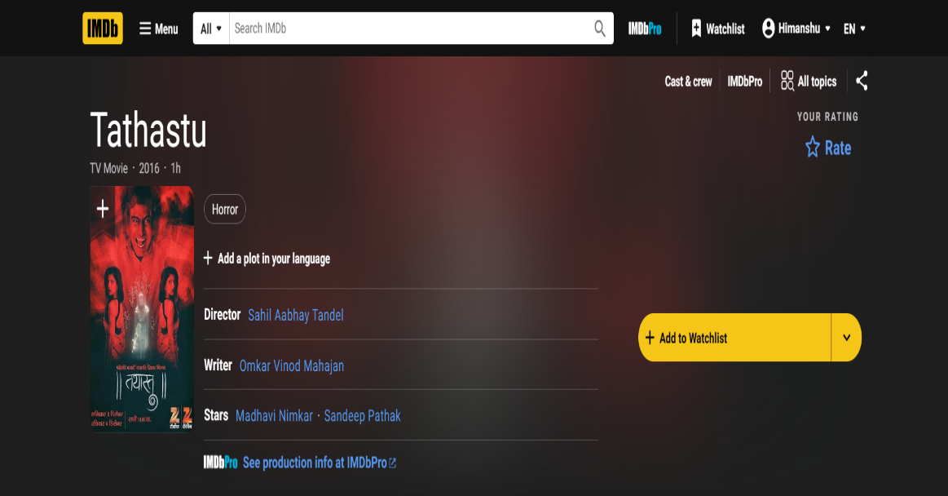
Bug ID | Description | Steps to Reproduce | Expected Result | Actual Result | Severity | Priority | Status | Screenshot
IMDb-BUG-01 | Missing trailer for the movie Tathastu (2016) on IMDb | 1.Open the IMDb website (www.imdb.com). 2.Search for the movie "Tathastu (2016)" in the search bar. 3.Navigate to the movie's details page. 4.Look for the trailer section on the page. | The trailer for Tathastu (2016) should be available and playable on the movie's details page. | No trailer is available for Tathastu (2016) on the movie's details page. | Minor | Low | Open
IMDb-BUG-02 | Missing plot/summary for the movie Tathastu (2016) on IMDb | 1.Open the IMDb website (www.imdb.com). 2.Search for the movie "Tathastu (2016)" in the search bar. 3.Navigate to the movie's details page. 4.Look for the plot section on the page. | The plot for Tathastu (2016) should be available on the movie's details page. | No plot/summary is available for Tathastu (2016) on the movie's details page. | Minor | Low | Open
IMDb-BUG-03 | Missing rating for the movie Tathastu (2016) on IMDb | 1.Open the IMDb website (www.imdb.com). 2.Search for the movie "Tathastu (2016)" in the search bar. 3.Navigate to the movie's details page. 4.Look for the rating section on the page. | The rating for Tathastu (2016) should be displayed on the movie's details page. | No rating is available for Tathastu (2016) on the movie's details page. | Minor | Minor | Open
IMDb-BUG-04 | Missing streaming options for the movie Tathastu (2016) on IMDb | 1.Open the IMDb website (www.imdb.com). 2.Search for the movie "Tathastu (2016)" in the search bar. 3.Navigate to the movie's details page. 4.Look for the streaming options section on the page. | The streaming options for Tathastu (2016) should be displayed on the movie's details page. | No streaming options are available for Tathastu (2016) on the movie's details page. | Minor | Minor | Open

